System form-Infrastructure (2)
 |  | Exiting Items in QB
 |  | Ctegory list | Item Type
 |  | Hardware | Server
 |  |  | Firewall
 |  |  | Firewall Kit
 |  |  | Laptop
 |  |  | Storage Server
 |  |  | FW Token
 |  | Software | OpenVPN license
 |  |  | Windows Server Std 2019
 |  |  | VMware vSphere 7 Essentials Plus Kit
 |  |  | ESXi
 |  | Certificate | SSL
 |  | Domain | Domain

 | Basic data for each item: | Field/Section | Sub field | Type/comment
 |  | Basic details - mandatory | Reference | Pick-list Single Selection - a list of exsiting product type e.g. Tangles
 |  |  | Category | Pick-list Single Selection
 |  |  | Type | Pick-list Single Selection
 |  |  | Identifer | Free text - S/N or any unique ID
 |  |  | Owner | Pick-list Single Selection - Penlink/Agent/Customer
 |  | Warranty | Initial Warranty Start Date | Calendar/Date | Alerts Mechanism
 |  |  | Current Warranty Start Date | Calendar/Date
 |  |  | Current Warranty End Date | Calendar/Date
 |  |  | Days before expiration | Auto generated - TODAY()-End date
 |  |  | Renewal status | Auto generated - Not set yet, Planned, Valid, Expired, Manual updated - No warranty, Obsolete
 |  | Warranty contact person | Name | Free text
 |  |  | Email | Free text
 |  |  | Phone | Free text
 |  |  | Address | Free text
 |  | Geo location |  | Free text
 |  | Allocated systems |  | TBD - could be as today a grid with one pick-list field for SID

System |  | Category | Sub-category | Item | Sub-item | Properties/Parameter | Value/Sub-field | Value/Sub-field | Field type | Comments
 | Infrastructure | Host | On prem | Server |  | Type | <server U1/ U2/ U3..> |  | Pick list single select + add item
 |  |  |  |  |  | Purpose | <Tangles host/storage/backup etc.> |  | Pick list single select + add item
 |  |  |  |  |  | Owner | Penlink/Customer/agent |  | Pick list single select + add item
 |  |  |  |  |  | Manufacturer |  |  | Pick list single select + add item
 |  |  |  |  |  | Model |  |  | Pick list single select + add item
 |  |  |  |  |  | Memory |  |  | Pick list single select + add item
 |  |  |  |  |  | CPU |  |  | Pick list single select + add item
 |  |  |  |  |  | Disk <list> + add item | Disk1 (type/size) |  | Pick list single select + add item
 |  |  |  |  |  |  | Disk2 (type/size) |  | Pick list single select + add item
 |  |  |  |  |  |  | Disk3 (type/size) |  | Pick list single select + add item
 |  |  |  |  |  |  | Disk4 (type/size) |  | Pick list single select + add item
 |  |  |  |  |  |  | Disk5 (type/size) |  | Pick list single select + add item
 |  |  |  |  |  | Firmware
 |  |  |  |  |  |  | Version |  | Pick list single select + add item
 |  |  |  |  |  |  | Last date of update |  | Calendar/Date
 |  |  |  |  |  | Warranty
 |  |  |  |  |  |  | Type |  | Pick list single select + add item
 |  |  |  |  |  |  | Intial warranty date |  | Calendar/Date
 |  |  |  |  |  |  | Start date |  | Calendar/Date
 |  |  |  |  |  |  | End date |  | Calendar/Date | //with alert mechanism as with the server
 |  |  |  |  |  |  | Contact details |  | Free text
 |  |  |  |  |  |  |  | Name | Free text
 |  |  |  |  |  |  |  | Email | Free text
 |  |  |  |  |  |  |  | Phone | Free text
 |  |  |  |  |  |  |  | Geographical address | Free text
 |  |  |  |  |  |  | Status |  |  | //Not set yet/Valid/Pending renewal/Expired/Obselete etc.
 |  |  |  |  |  | Configuration change history |  |  | Editbale grid with READ ONLY: Timestamp, Author | //Grid with all the fields above
 |  |  |  |  |  | Comments |  |  | Editbale grid with READ ONLY: Timestamp, Author

 |  |  |  |  | ESXi | Version
 |  |  |  |  |  | Warranty
 |  |  |  |  |  |  | Intial warranty date |  | Calendar/Date
 |  |  |  |  |  |  | Start date |  | Calendar/Date
 |  |  |  |  |  |  | End date |  | Calendar/Date | //with alert mechanism as with the server
 |  |  |  |  |  |  | Status (valid,expired/ pending/obsolete, etc.) |  | READ ONLY- auto generated with UI indicator | //Not set yet/Valid/Pending renewal/Expired/Obselete etc.

 |  |  | Cloud | N/R
 |  |  |  |  |  | Platform |  |  | Pick list single select + add item | //Azure/AWS/Azure GOV etc.
 |  |  |  |  |  | CSP
 |  |  |  |  |  |  | Name |  | Pick list single select + add item | //SELA/Ingram NZ/AutomateIT…
 |  |  |  |  |  |  | Owner |  | Pick list single select + add item
 |  |  |  |  |  |  | Website |  | Pick list single select + add item | //Link to the CSP portal
 |  |  |  |  |  | Region |  |  | Pick list single select + add item
 |  |  |  |  |  | Configuration change history |  |  | Editbale grid with READ ONLY: Timestamp, Author | //Grid with all the fields above
 |  |  |  |  |  | Comments |  |  | Editbale grid with READ ONLY: Timestamp, Author
 |  | Firewall |  | Firewall
 |  |  |  |  |  | Type
 |  |  |  |  |  |  | <Fortigate/Cisco…./WAF |  | Pick list single select + add item | //Includes all types of FW, no matter cloud or physical
 |  |  |  |  |  |  |  | FortiGate Manager | Boolean - Yes/No | //Conditional field - appears only if FortiGate is selected
 |  |  |  |  |  | Model |  |  | Pick list single select + add item
 |  |  |  |  |  | Firmware |  |  |  | //Conditional field - appears only if physical FW is selected
 | S1 |  |  |  |  |  | Version |  | Pick list single select + add item
 |  |  |  |  |  |  | Autoupdate Active |  | Boolean - Yes/No | // <Yes/No> - conditional field - appears only if physical FW is selected
 |  |  |  |  |  | Owner
 |  |  |  |  |  |  | <Penlik/customer/agent> |  | Pick list single select + add item
 |  |  |  |  |  |  |  | Agent ID/name | Pick list single select + add item | //Conditional field - appears only if Agent s selected
 |  |  |  |  |  | Warranty
 |  |  |  |  |  |  | Type |  | Pick list single select + add item
 |  |  |  |  |  |  | Intial warranty date |  | Calendar/Date
 |  |  |  |  |  |  | Start date |  | Calendar/Date
 |  |  |  |  |  |  | End date |  | Calendar/Date | //with alert mechanism as with the server
 |  |  |  |  |  |  | Contact details
 |  |  |  |  |  |  |  | Name | Free text
 |  |  |  |  |  |  |  | Email | Free text
 |  |  |  |  |  |  |  | Phone | Free text
 |  |  |  |  |  |  |  | Geographical address
 |  |  |  |  |  | Comments
 |  | VM list |  | VM 1

 |  |  |  |  |  | Name <RDM> |  |  | Free text
 |  |  |  |  |  | OS | //Win/linux |  | Pick list single select + add item
 |  |  |  |  |  | Performance tier | / standard/powered |  | Pick list single select + add item
 |  |  |  | VM 2
 |  |  |  |  |  | Name <RDM> |  |  | Free text
 |  |  |  |  |  | OS |  |  | Pick list single select + add item
 |  |  |  |  |  | Performance tier |  |  | Pick list single select + add item
 |  |  |  | VM 3
 |  |  |  |  |  | ..
 |  |  |  |  |  | ..
 |  | Network Access |  | N/R |  | VPN | Yes/No | Type (if Yes selected) | Pick list single select + add item (<Fortigate/Cisco…./Open VPN)
 |  |  |  |  |  | IP Restriction | <Yes/No> |  | Boolean - Yes/No |  |  | //W/O creds!, nor IP/Port - all in RDM
 |  |  |  |  |  | External Interface | <Yes/No> |  | Boolean - Yes/No
 |  |  |  |  |  |  |  |  |  |  | Link to Open VPN | //Conditional field - appears only if Open VPN s selected

 |  | Maintenance (Histoy) |  | N/R
 |  |  |  |  |  | <logs - grid type |  |  | Editbale grid with READ ONLY: Timestamp, Author | // A grid with prediefined headres needs to be defined e.g. Mantainance type, Assgined engineer, date/time etc.
 |  | Domains |  | Domain 1

 |  |  |  |  |  | Name |  |  | Free text
 |  |  |  |  |  | Expiration date |  | //with alert mechanism as with the server including if date is missting | Calendar/Date
 |  |  |  |  |  |  | Renewal Status | //Not set yet/Valid/Pending renewal/Expired/Obselete etc. | Auto generated - READ ONLY
 |  |  |  |  |  | SSl expiration date |  |  | Calendar/Date
 |  |  |  |  |  |  | Renewal Status |  | Auto generated - READ ONLY
 |  |  |  | Domain 2
 |  |  |  |  |  | Name
 |  |  |  |  |  | Related to | <Tangles url/TS>
 |  |  |  |  |  | Expiration date |  |  | //with alert mechanism as with the server including if date is missting
 |  |  |  |  |  |  | Renewal Status |  | //Not set yet/Valid/Pending renewal/Expired/Obselete etc.
 |  |  |  |  |  | SSl expiration date
 |  |  |  |  |  |  | Renewal Status
 |  |  |  | Domain 3
 |  |  |  |  |  | ..
 |  |  |  |  |  | ..

 |  | Target site |  | TS 1
 |  |  |  |  |  | Name <RDM>
 |  |  |  |  |  | Domain list |  |  | //List of domain names
 |  |  |  |  |  | SSL List |  |  | //Add button from existing domain list + link to selected domain + report/grid of only TS domain list
 |  |  |  |  |  | VPS provider
 |  |  |  |  |  | Expiration/renewal date |  |  | //with alert mechanism as with the server including if date is missting
 |  |  |  |  |  |  | Renewal Status |  | //Not set yet/Valid/Pending renewal/Expired/Obselete etc.
 |  |  |  | TS 2
 |  |  |  |  |  | Name <RDM>
 |  |  |  |  |  | Domain list
 |  |  |  |  |  | VPS provider
 |  |  |  |  |  | Expiration/renewal date |  |  | //with alert mechanism as with the server including if date is missting
 |  |  |  |  |  |  | Renewal Status |  | //Not set yet/Valid/Pending renewal/Expired/Obselete etc.
 |  |  |  | TS 3
 |  |  |  |  |  | Name <RDM>
 |  |  |  |  |  | Domain list
 |  |  |  |  |  | VPS provider
 |  |  |  |  |  | Expiration/renewal date

 |  |  | Inrastructure

 |  | General info tab

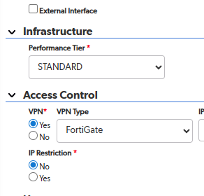

 |  | Rsources Tab

 |  |  | Remarks - grid

 |  |  | 4. Remarks

 |  |  | Editable grid
 |  |  | Including the option to set a reminder that creates a meeting/event in Outlook, based on date (calendar controller)
 |  |  | Supports record/line deletion, edit
 |  |  | First 3 columns are reads only and auto-generated upon each record creation containing the following:
 |  |  | Sequential record ID
 |  |  | Full time stamp – date and time. In general, the date and time will always presented according to the user geographical location
 |  |  | User name – the remark author
 |  |  | The rest of the columns:
 |  |  | Type –TBD
 |  |  | Remark content – free text, preferred rich text with bullets/numbering/bold etc.
 |  |  | Due date – a calendar controller
 |  |  | Event created (optional) – a check mark that is generated automatically to show that event indeed created.

Project Form - POC
1. Sticky Title PID #1234 |  |  | PID P1235

2. Header |  |  | Project name | Project Type | Project sub type | Delivery date | Start Date | End Date | Project status | Current milestone
 |  |  | Editable - derived from Opportunity | Read only - derived from opportuniy | Read only - derived from opportuniy | Editable - Date (Calendar) - derived from opportuniy | Editable - Calendar - derived from opportunity | Editable - Calendar - derived from opportunity | Read only - Live/Done - based on tasks completion | Read only - from milestone list | Project Alers
 |  |  | Opportunity (name and ID) | Account (end user) | Region | Country | State |  | Time Zone | Time Group | Read only - auto generated base on predefined alerts: - POC end date overdue - Delivery/start date is missing - Delivery/start date overdue
 |  |  | Read only - derived from opportuniy | Read only - derived from opportuniy | Read only - derived from opportuniy | Read only - derived from opportuniy | Read only - derived from opportuniy |  | Read only - auto generated by Country-Time Zone lookup table/formula | Read only - auto generated by lookup table
 |  |  | Deal/Sale owner | Report to - direct | Report to - level 2
 |  |  | Read only - derived from opportuniy | Read only - derived from organization chart | Read only - derived from organization chart

 |  |  | Available actions:

 |  |  | Cancel project | Cancelation reason - mandatory *
 |  |  |  | Must be filled in in case a projec is canceled

3. Tenat requirements
 | New Tenant Requirements: | // Sales manager can ask a POC on existing customer's system In case of a request of an existing system, to allocate it automatically to the system & tenant tab once the project is created

 |  |  |  | Environment |  | Core Details |  |  |  |  |  |  |  |  |  |  |  |  |  | Modules |  |  |  |  |  | API |  |  | AI | Additional features
 | Requirment ID | New System? (Boolean) | SID (If NOT a new system) | Hosting - pick list single select | Cloud Platfrom - pick list single select | Product | Licenses | Users | Con. Searches | Daily Qty Searches | Monthly Qty Searches | Con. Analyses | Daily Qty Analyses | Monthly Qty Analyses | Topic analyses | Std. Monitors | Full monitors | Topic monitors | Map Center | Tangles Go | Webloc | Webeye | Ingest | Blockchain | Cross System | Enalbe | Daily Qty | Monthly
 | #1234 | Yes/No | S123 | Saas On premise Hybrid | Local Azure AWS Customer's VPC Azure Gov | Tangles | Integer | 28 | Integer | Integer | Integer | Integer | Integer | Integer | Picklist-Single select: Yes/No | Integer | Integer | Integer | Picklist-Single select + "Add new" | Integer | Integer | Integer | Integer | Integer | Picklist-Multi select: Weaver Dark web Lynx | Yes/No | Integer | Integer | Picklist-Multi select:: Face Detection OCR Object Detection Reverse Face Landmark Video Analysis CoAnalyst | Picklist-Multi select: SSO 2FA Export to PDF Enhanced Search Post Translation
 | #1235 | Yes
 | #1236 | No | S456

 | Milestones | Tasks | Systems and Tenants | Engagement circles | Documents
4. TABS

 | Milestones

 |  | Based on Template - see Milestones and Tasks Template sheet
 |  | Inline edtiable table
 |  | Can add/edit/remove/rename a milestone
 |  | Can create a new milstone
 |  | A milestones status can be either: | Open - none of its tasks was completed
 |  |  | In progress - at least one but not all its tasks is completed
 |  |  | Done - all its tasks are completed
 |  | An indicator icon should be right to the milestones status
 |  | A progress bar should be displayed based on number of completed tasks
 |  | Order of milestones can be editted by permitted user only

 |  | Actions to support:
 |  | Add milestone | Either from existing list or a new one
 |  | Reset milestones (and tasks) | Set back the origianl milestones and their tasks according to the tempalte

 |  | The requested table and its fields:

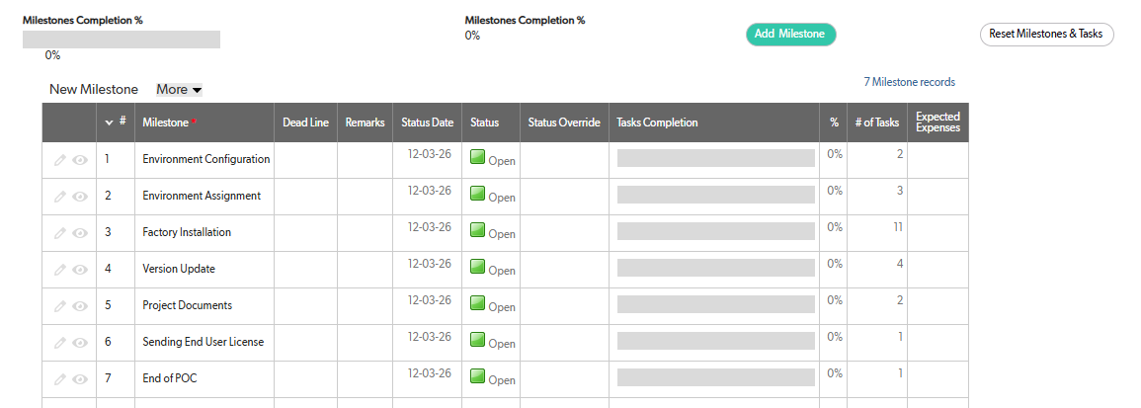

 | Tasks
 |  | Based on Template - see Milestones and Tasks Template sheet
 |  | Inline edtiable table
 |  | Can add/edit/remove/rename a task
 |  | A task can creae only via a milestone - in a milestone form
 |  | A task status can be either: | Open - none of its tasks was completed
 |  |  | Done - all its tasks are completed
 |  |  | An indicator icon should be right to the task status
 |  | Task status is update manually - by permitted user
 |  | Taks order is based by milestones order
 |  | Should be displayed as groups of of milestones
 |  | An option to set a dead line - a calendar type
 |  | An option to set a dead line reminder in days | how many days beofore the deadline to generate alert
 |  | Alert - auto generaed upon either: over due or deadline reminder
 |  | Ticket opening idicator/indication | Only for POC end - a ticket should be opened once "POC ended" taks is set as done and indicator should appear next to the task

 |  | Actions to support:
 |  | Add Task | Only via a milestone form in the milestones tabs

 |  | The requested table and its fields:

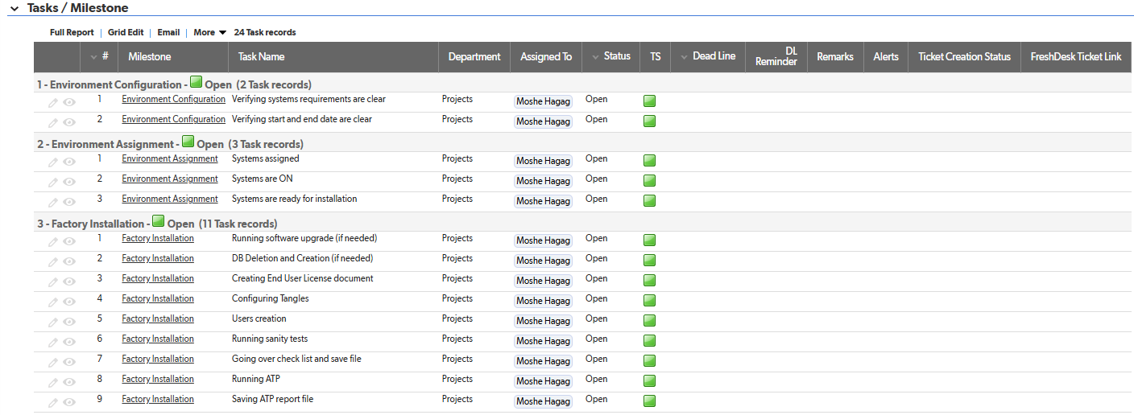

 |  | End of POC: | Once all the tasks are set as DONE, the POC is officialy closed and the system should be released to the POC/DEMO/Training system pool and set as available

 | Systems and Tenants

 | Existing System

 |  | List of added system after allocating them to the project with their current Cofiguration
 |  | Defautlt - empty list
 |  | Adding a system is done manually by the Delivery sepcialist
 |  | System allocation form - There should be two options: 1. To open and select only only AVAILABLE POD/DEMO/Training systems list - copy/paste 2. To present and select only proudction system(s) that belong/in use by the current account of the project
 |  | Once the sysetm is allocated it appears on the Existing system list

 |  | Administrative |  |  |  |  |  | Environment |  | Core Details |  |  |  |  |  |  |  |  |  |  |  |  |  |  |  | Modules |  |  |  | AI | Additional features
 |  | Actions | SID | PIDs (PID list) |  | Time group | Operational status | Hosting | Cloud Platfrom | Product | Licenses | Users | Con. Searches | Daily Qty Searches | Monthly Qty Searches | Con. Analyses | Daily Qty Analyses | Monthly Qty Analyses | Topic analyses | Std. Monitors | Full monitors | Topic monitors | Map Center | Weloc | Webeye | Tangles Go | Ingest | Blockchain | Cross system
 |  | Deallocate/Edit/Move(to a differnet system/project) - for permitted users only | S1234 | <all the PID the system is currently allocated to |  |  |  | Saas On premise Hybrid | Local Azure AWS Customer's VPC Azure Gov | Tangles | Integer | 38 | Integer | Integer | Integer | Integer | Integer | Integer | Picklist-Single select: Yes/No | Integer | Integer | Integer | Picklist-Single select + "Add new" | Integer | Integer | Integer | Integer | Integer | Picklist-Multi select: Dark web/Lynx | Picklist-Multi select:: Face Detection OCR Object Detection Reverse Face Landmark Video Analysis CoAnalyst | Picklist-Multi select: SSO 2FA Export to PDF Enhanced Search Post Translation
 |  | DeallocateEdit/Move(to a differnet system/project) - for permitted users only | S1235 | <all the PID the system is currently allocated to |  |  |  |  |  | 12

 | Exsisting Tenants

 |  | Tenant is added only on System form and only then it appears on the sysetm below
 |  | After the Delivery specialist added the system to the project and verify the system full configuration and confirm he can contineu and add the tenant

 |  | Administrative |  |  |  |  |  |  | Environment |  | Core Details |  |  |  |  |  |  |  |  |  |  |  |  |  |  |  | Modules |  |  |  | AI | Additional features
 |  | Actions | TID | SID | Account | Country | Time group | Operational status | Hosting | Cloud Platfrom | Product | Licenses | Users | Con. Searches | Daily Qty Searches | Monthly Qty Searches | Con. Analyses | Daily Qty Analyses | Monthly Qty Analyses | Topic analyses | Std. Monitors | Full monitors | Topic monitors | Map Center | Weloc | Webeye | Tangles Go | Ingest | Blockchain | Cross system
 |  | Delete/Edit/Move(to a differnet system/project) - for permitted users only | T1 | S1234 | Account1 - the project account only |  |  |  | Saas On premise Hybrid | Local Azure AWS Customer's VPC Azure Gov | Tangles | Integer | 28 | Integer | Integer | Integer | Integer | Integer | Integer | Picklist-Single select: Yes/No | Integer | Integer | Integer | Picklist-Single select + "Add new" | Integer | Integer | Integer | Integer | Integer | Picklist-Multi select: Dark web/Lynx | Picklist-Multi select:: Face Detection OCR Object Detection Reverse Face Landmark Video Analysis CoAnalyst | Picklist-Multi select: SSO 2FA Export to PDF Enhanced Search Post Translation
 |  | Delete/Edit/Move(to a differnet system/project) - for permitted users only | T2 | S1235 | Account1 |  |  |  |  |  | 12

 | Engagement circles
 |  | Read only - based on role list as now in QB
 |  | There should be different set of engagement circles. For now, the most important circle is the list of roles that need to be notified upon tenant (system actually) upgrade named “Send version update email” or any similar name.
 |  | The list should contain SF user names based on roles. In that case changing users per role will be transparent and auto-updated on the list
 |  | Each circle should be presented in a separated line (could be a grid where first column is the circle subject and the second column is the list)

 | Documents

